Sheet1
Issue
1 | How to retrieve overall information (4 fields). (number of the vehicle, number of the impacted vehicle, etc.)

 | ANS Count Record from CUSTOMER_VEHICLE which delete
 |  | (Delete Flag is not exists)

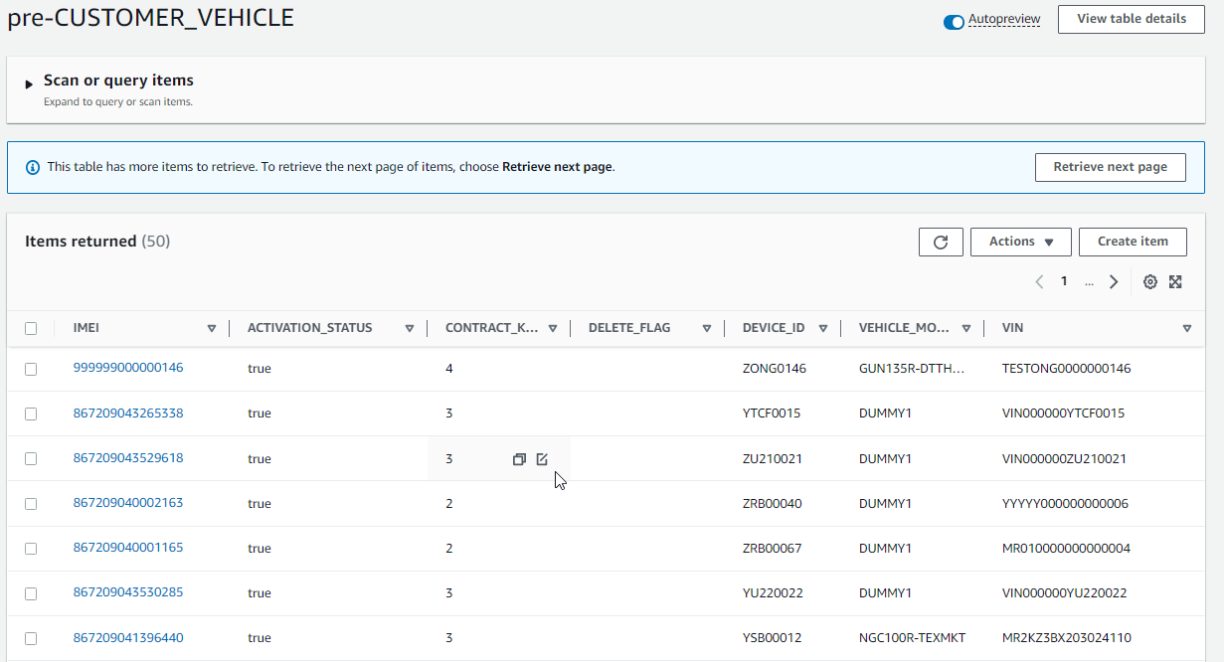

2 | Is there any other information besides this?
 | Could you please explain this to me?

Sheet2
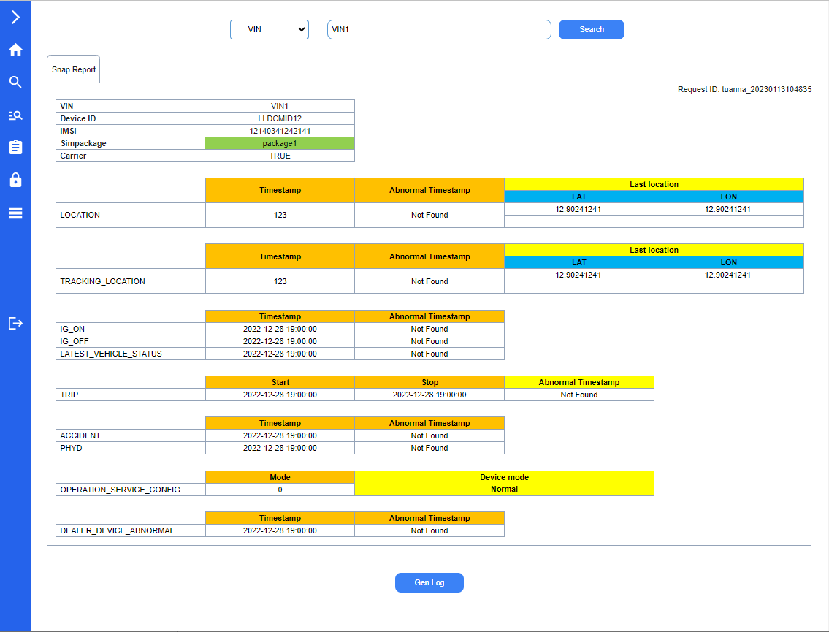
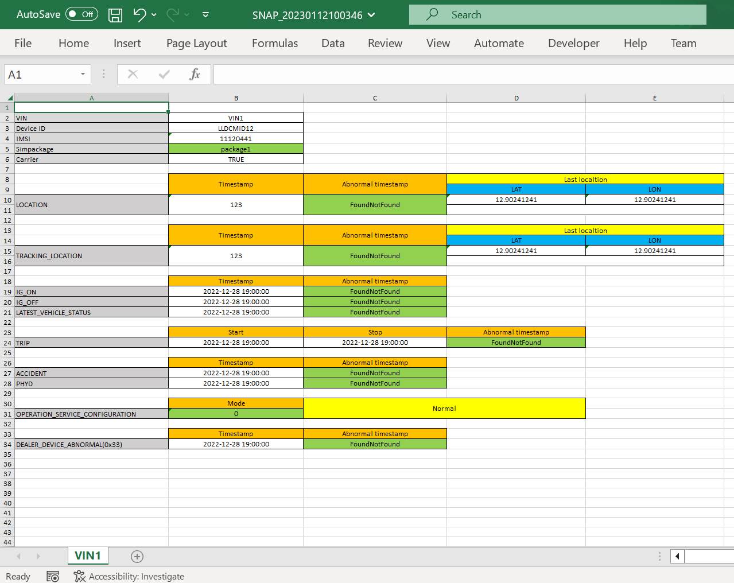
Issue

1 | About the colors on the report, I am also doing the same as the document you sent. This function on the web cannot be changed manually.
1.1 | Can I change these colors to be suitable for the website theme?
 | ANS Base by below, It is OK

1.2 | Do you need to manually adjust this color?
 | ANS If customer is ok with this colortheme, It is no need to manually change. it will fixed by that color

2 | The snapshot report will be exported to excel according to the available excel template
2.1 | Are the colors and layout (at this function on the web) required to be the same as the excel template?
 | ANS Please make it similar, but may not excatly the same, but base by below of On Web look. It is ok.

2.2 | If the excel template has been changed, does this function on the web reflect that automatically?
 | In my opinion, it is not necessary. Please confirm.
 | ANS Yes, It is not neccessary. Actually Template should not bechange after we go-live. If there is request to change, We need to estimate again.

3 | About Request ID field
3.1 | How is the format of the "Request ID"?
 | Is the format "user yyyyMMddhhmmss" ok?

 | ANS Let's me Confirm About this

3.2 | I think the "Request ID" here is unnecessary. It will be generated automatically on the request report screen and displayed on the "Report Monitoring" screen.
 | Please explain more. Thank you.

 | ANS Let's me Confirm About this, but I think it is not necessary

 | On Web look like | Snapshot Report in Excel

Sheet3
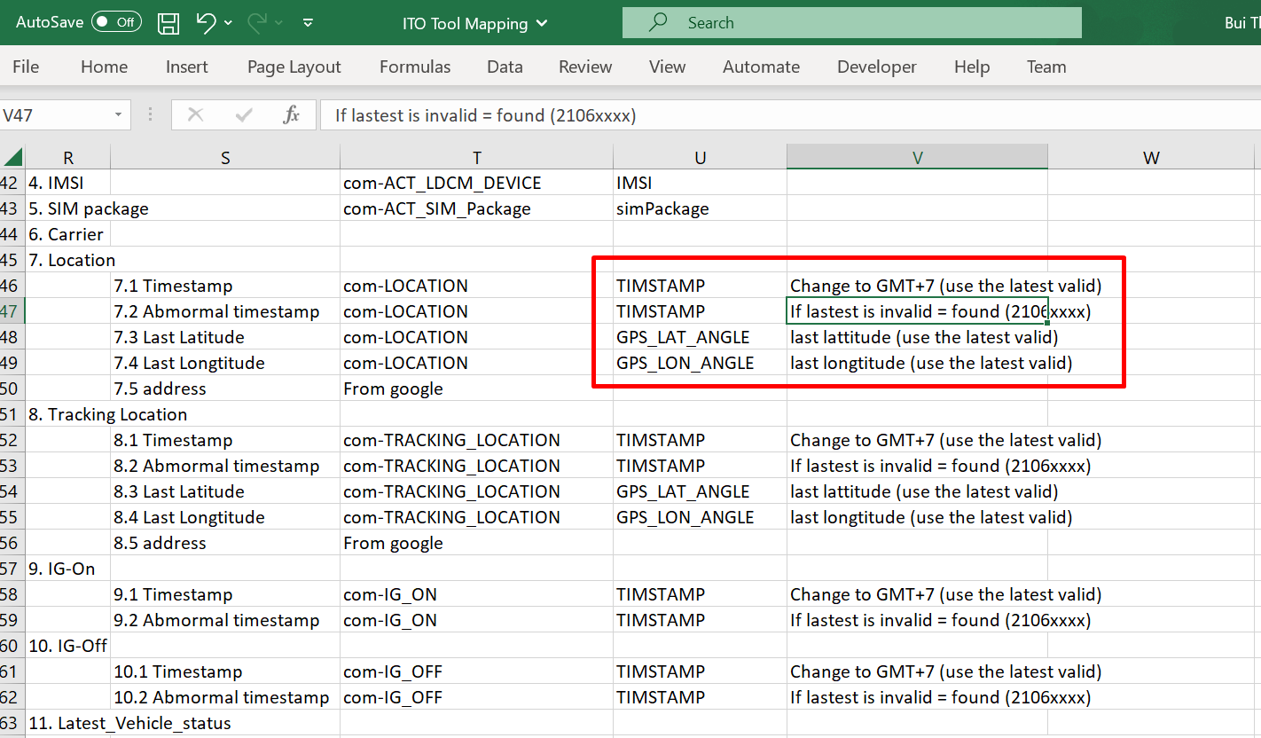
Issue

 | About validate timestamp
1 | I understand that: Timestamp is VALID if the value matches the pattern in the correct format yyyyMMddhhmmss.
 | Please confirm for me. Thanks!

 | ANS Invalid TimeStamp is Timestamp start with 2106XXXX

Sheet4
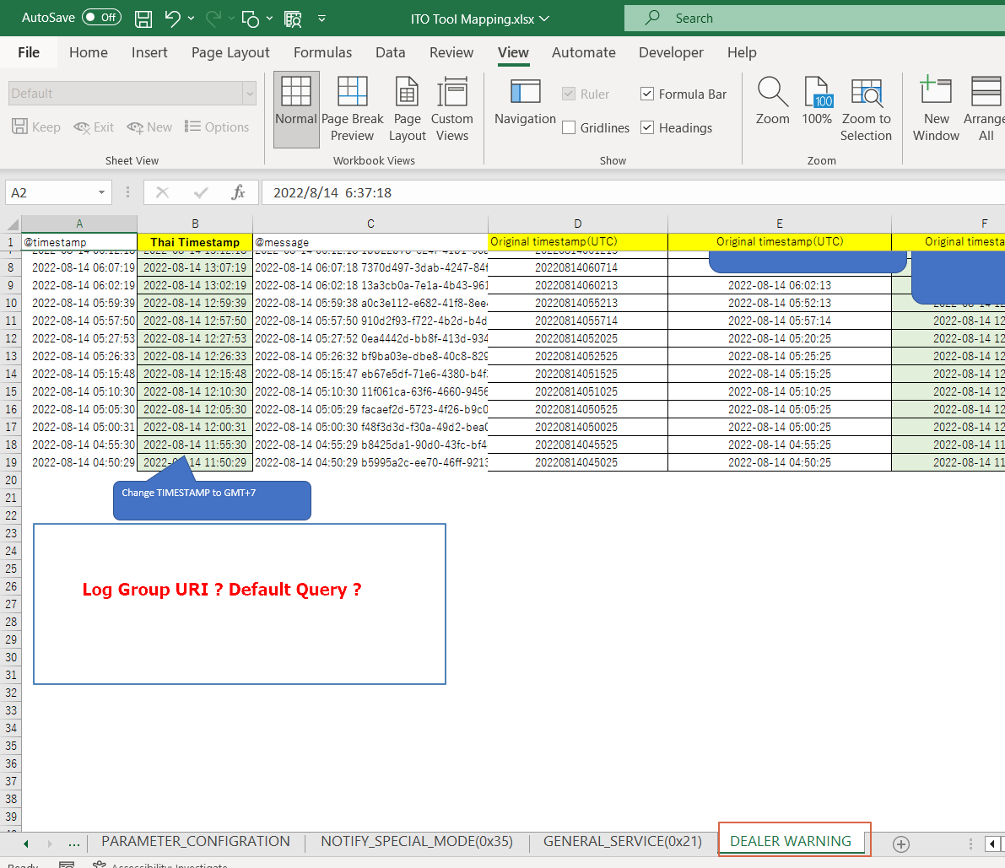
Issue

1 | In ITO Tool Mapping, Sheet DEALER_WARINING, The specification for default query is missing.
 | Please add more information.

 | Ans Please let's me Confirm

Sheet5
Issue
1 | In the "Generate Report" screen, there is no VIN field. so, when the request displayed on the "Report Monitoring" screen, the VIN column will be empty
 | Please confirm this point.

 | Ans For Customer Report, Please set it as blank.

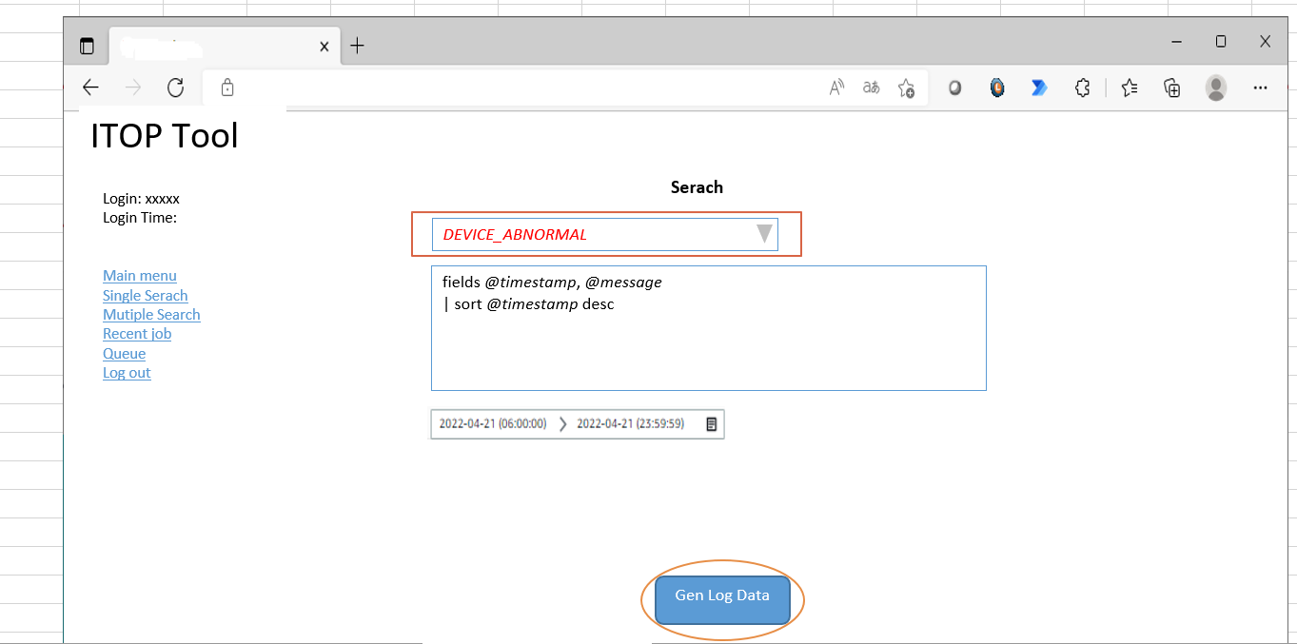

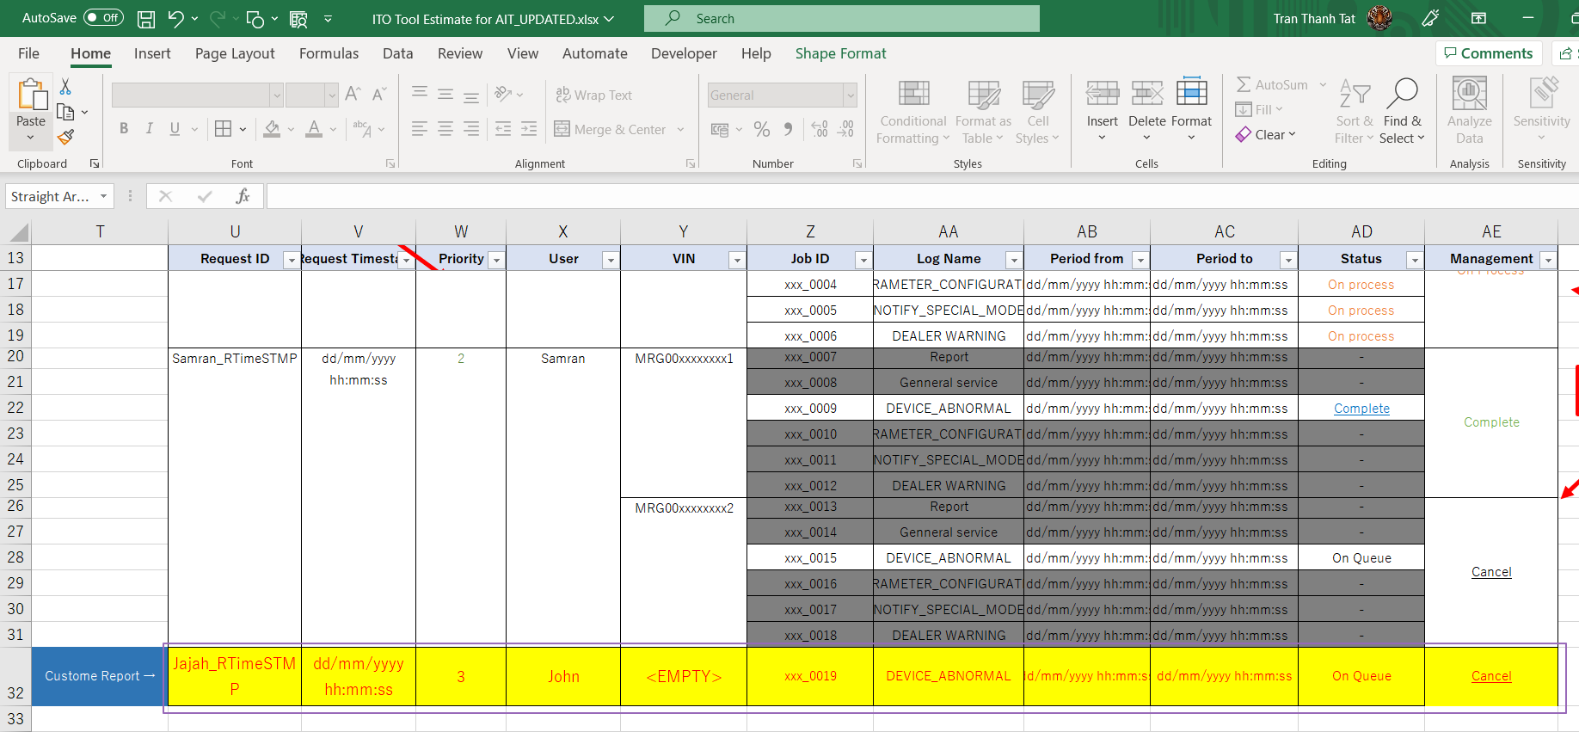

 |  | Dữ liệu đăng ký từ màn hình Custome Report sẽ có VIN = EMPTY ?

Sheet6
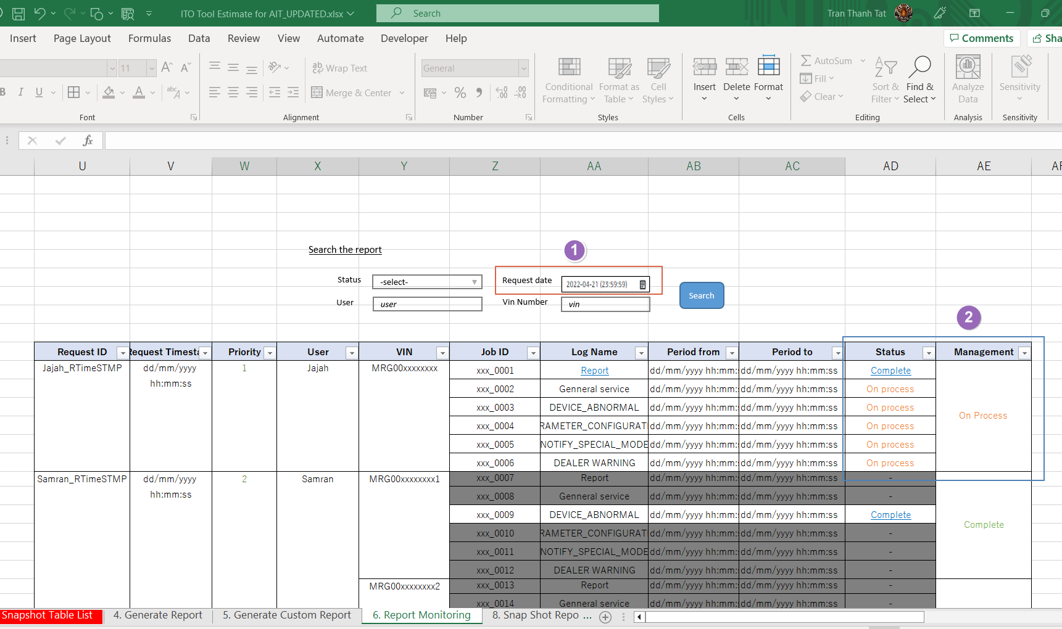
Issue
1 | I think Search condition "Request Data" should have 2 inputs "From Date" - "To Date"
 | Mandatory input fields: only "Request Data"

 | Ans For this, It allow only see data only for 1 day. From To may cause slow performace if period is too big. (Mostly user will see data that generate today.)

2 | In column Management: When all reports are completed, the link "Completed" will be active.
 | Users click this link to download all reports in 1 zip file.
 | Do you have any idea? Please let me know.

 | ANS They want to seperate becasue they can download some report to continue their work first. No need to wait for all report.
 | but after finish you can make as 1 ZIP in Management column for download all that is ok also.

Sheet7
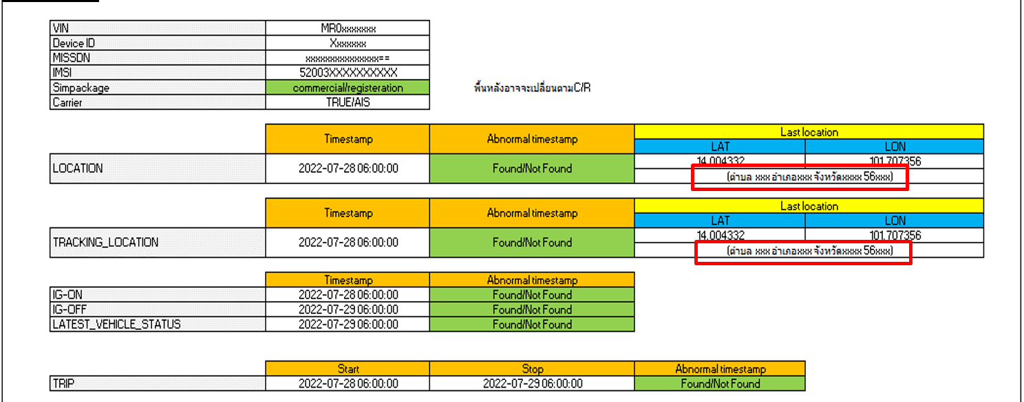
Issue

1 | The address gets via Google API which is paid service.
 | Please concern about this point. If you have any changes to this requirement, please let me know soon.

 | ANS Let's me confirm about this since current this one is get from google map.

